Sheet1
 | SAMPLE | DOT BLOT | RESULT | CD81 SAMPLES | CD9 SAMPLES | CD63 SAMPLES
CHRONIC GASTRITIS | 11 | CD63
 | 257 | CD63 |  | 14 | 14 | 15
 | 4 | CD63
 | 174 | CD9
 | 291 | CD9
 | 253 | CD9
 | 6 | CD9
 | 164 | CD9
 | 163 | CD9
 | 243 | CD63
 | 244 | CD63
 | 229 | CD63
 | 48 | CD63/CD9
 | 270 | CD9
 | 310 | CD9
 | 290 | CD9
 | 182 | CD63
 | 197 | CD63
 | 200 | CD63
GC I | 112 | CD9/CD63
 | 177 | CD81
 | 179 | CD81
 | 22 | CD81
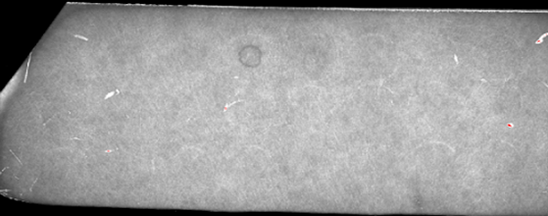
 | 127 | CD9
GC II | 160 | CD81/CD9
 | 182 | CD63
 | 2 | CD81

 | 146 | CD81
 | 174 | CD81/CD9 | 
GC III | 53 | CD81
 | 56 | CD81

 | 23 | CD81
 | 122 | CD63/CD81
 | 11 | CD81
GC IV | 145 | CD81
 | 36 | CD63
 | 158 | CD63
 | 152 | CD81

